Aromatization
Comparative technoeconomic analysis and life cycle assessment of aromatics production from methanol and naphtha
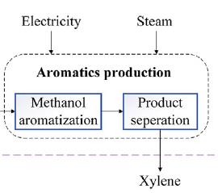

input |  |  | input
parameter | value | unit | parameter | value | unit | comments
Methanol | 195499 | kg/h | Methanol | 1000 | kg/h | rations are basde on the simulation done by Jiang et. Al.

out |  |  | out
Dry gas | 9697 | kg/h | Dry gas | 49.601276733 | kg/h
LPG | 38406 |  | LPG | 196.45113274
Pentane | 7575 |  | Pentane | 38.747001263
benzene | 3009 |  | benzene | 15.391383076
Toluene | 9610 |  | Toluene | 49.156261669
Xylene | 19695 |  | Xylene | 100.74220328
C9+ | 5564 |  | C9+ | 28.460503634
H2O | 101943 |  | H2O | 521.4502376

energy consumption |  |  | energy consumption
Steam | 11.69 | MW | Steam | 0.05979570228 | MW
Cooling water | 46.5 |  | Cooling water | 0.23785287904
refrigerant | 9.26 |  | refrigerant | 0.047365971181
power | 2.73 |  | power | 0.013964265802
Steam generation | 30.01 |  | Steam generation | 0.15350462151

