Pictures
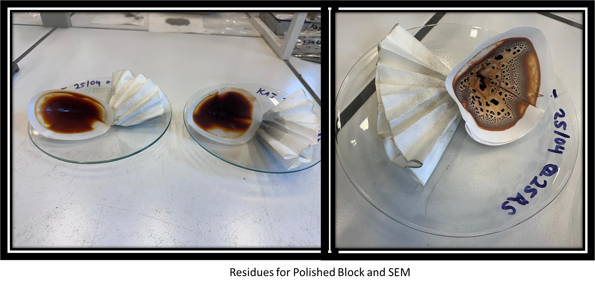
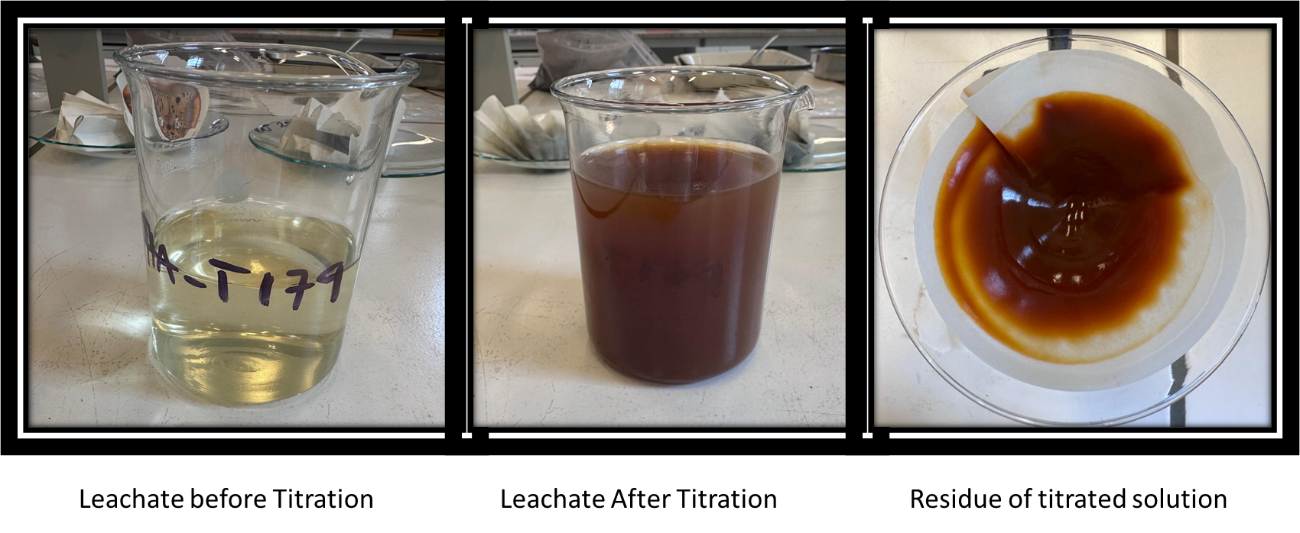

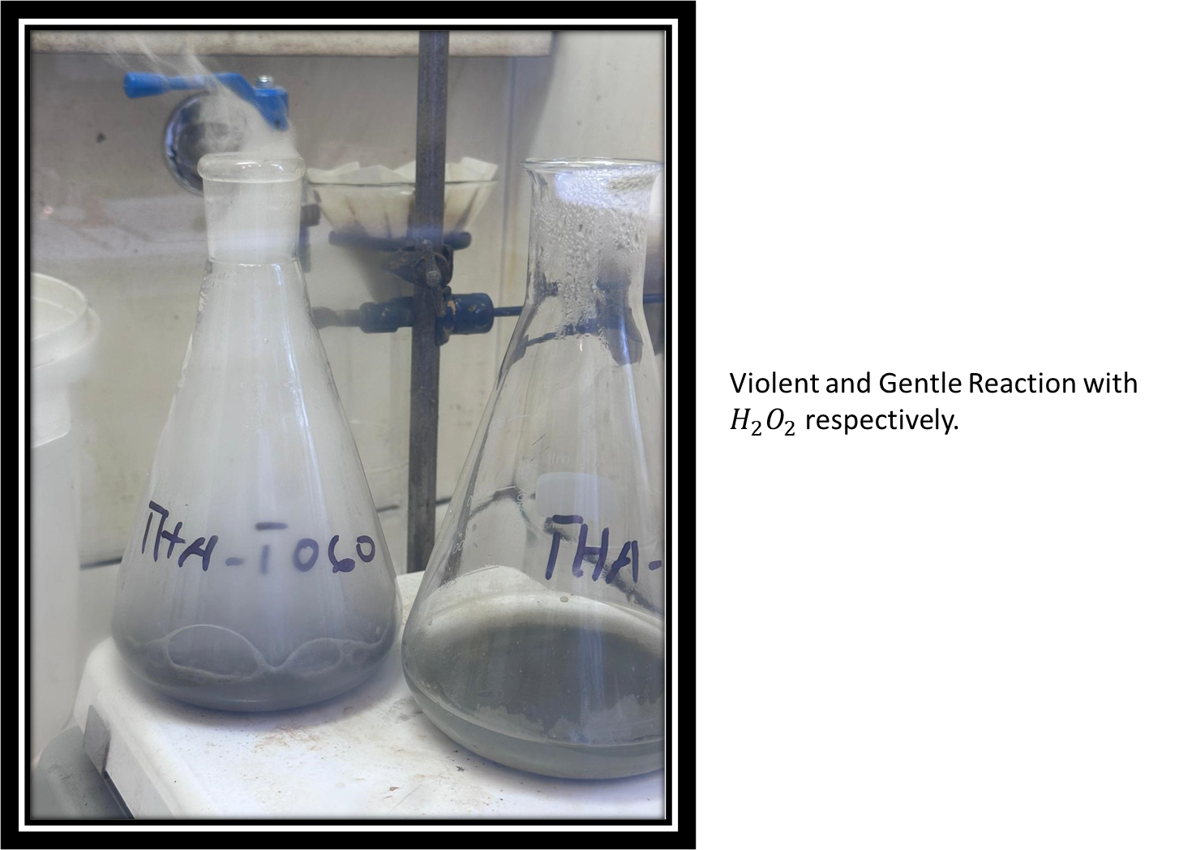

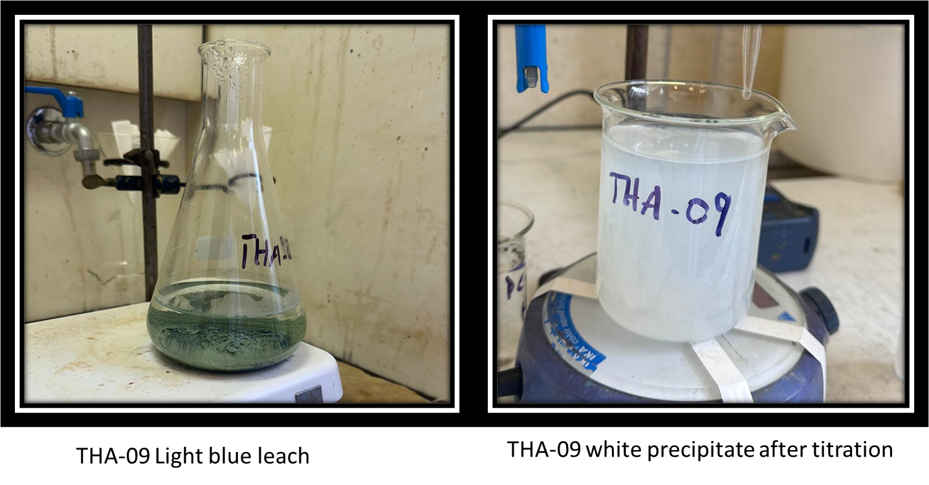

Drill holes and Cells
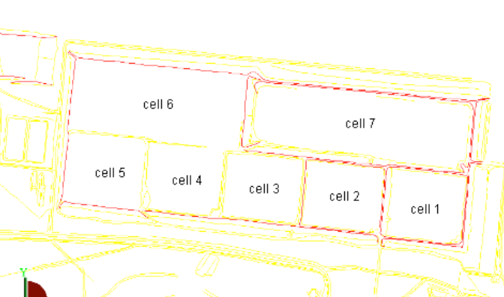
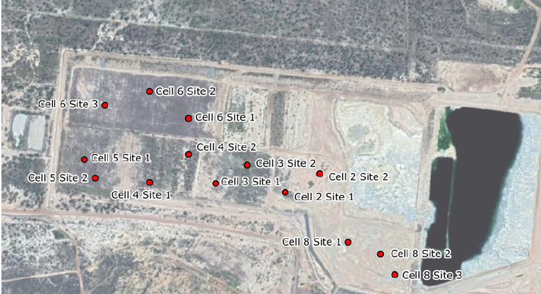
Drill Hole | Cell | Deposit | number of samples
THAC6-02 | 6 | Reward Open cut | 3
THAC2-03 | 7 | Reward deep | 5
THAC4-02 | 4 | Thalanga | 6
THAC1-01 | 2 | Thalanga | 5
THAC8-02 | 8 | Balcooma | 4
THLG_05-09 | 9 | Vomacka | 4
Waste Rocks |  |  | 11
 |  | Total Samples | 38

 |  |  |  |  | Source: NRA Environmental Consultancy- Tailings Cover system, 2018

 |  |  |  | Source: Thalanga Sampling Plan Report

